Sheet1
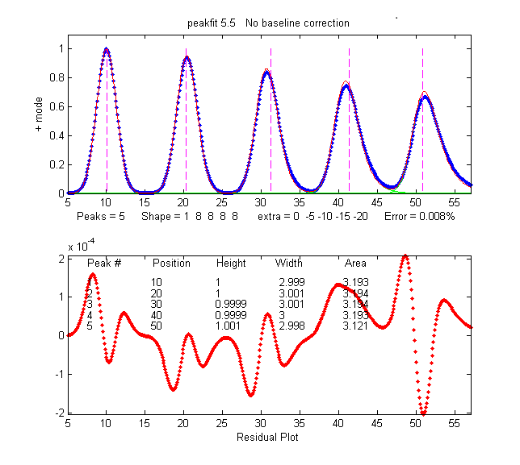
Five Gaussian peaks with the same initial peak height (1.0) and width
(FWHM=3.0) but which are subsequently broadened by increasing degrees
of exponential broadening, similar to the broadening of peaks
commonly encountered in chromatography:
See http://terpconnect.umd.edu/~toh/spectrum/Integration.html

Model data set created ,with Matlab:
>> x=5:.1:65;
>> y=modelpeaks2(x,[1 5 5 5 5],[1 1 1 1 1],[10 20 30 40 50],[3 3 3 3 3],[0 -5 -10 -15 -20]);
>> [FitResults,FittingError]=peakfit([x;y],30,54,5,1,0,10)

 |  |  | Fit with Gaussian |  |  | Fit with exponentially modified Gaussian
 |  | Position | G Height | G Width | Perp. Drop area | EX Height | EX Width | EX Area
 |  | 10 | 1.0045 | 2.9733 | 3.193 | 1.0001 | 2.9995 | 3.1929
 |  | 20 | 0.94339 | 3.1559 | 3.194 | 0.99998 | 3.0005 | 3.1939
 |  | 30 | 0.8341 | 3.5266 | 3.187 | 0.99987 | 3.0008 | 3.1939
 |  | 40 | 0.73567 | 3.9207 | 3.178 | 0.99987 | 2.9997 | 3.1926
 |  | 50 | 0.65288 | 4.3804 | 3.231 | 1.0006 | 2.9978 | 3.1207

Gaussian fit
Exponential Gaussian fit

 | Conclusion: Measurement of peak area (gray line) is less effected by exponential broadening of the peaks that is peak height (blue line)
 | because the decrease in peak height is approximately compensated by the increase in peak width (orange line).
 | However, if an exponentially broadened Gaussian model is fit to the data (e.g. using peakfit.m or ipf.m), the peak heights computed by curve fitting work well
 | and have the advantage of being more accurate than peak areas measured by perpendular drop when the peaks ovelap, as in the figure below.
 | See http://terpconnect.umd.edu/~toh/spectrum/Integration.html for details.
